Sheet1
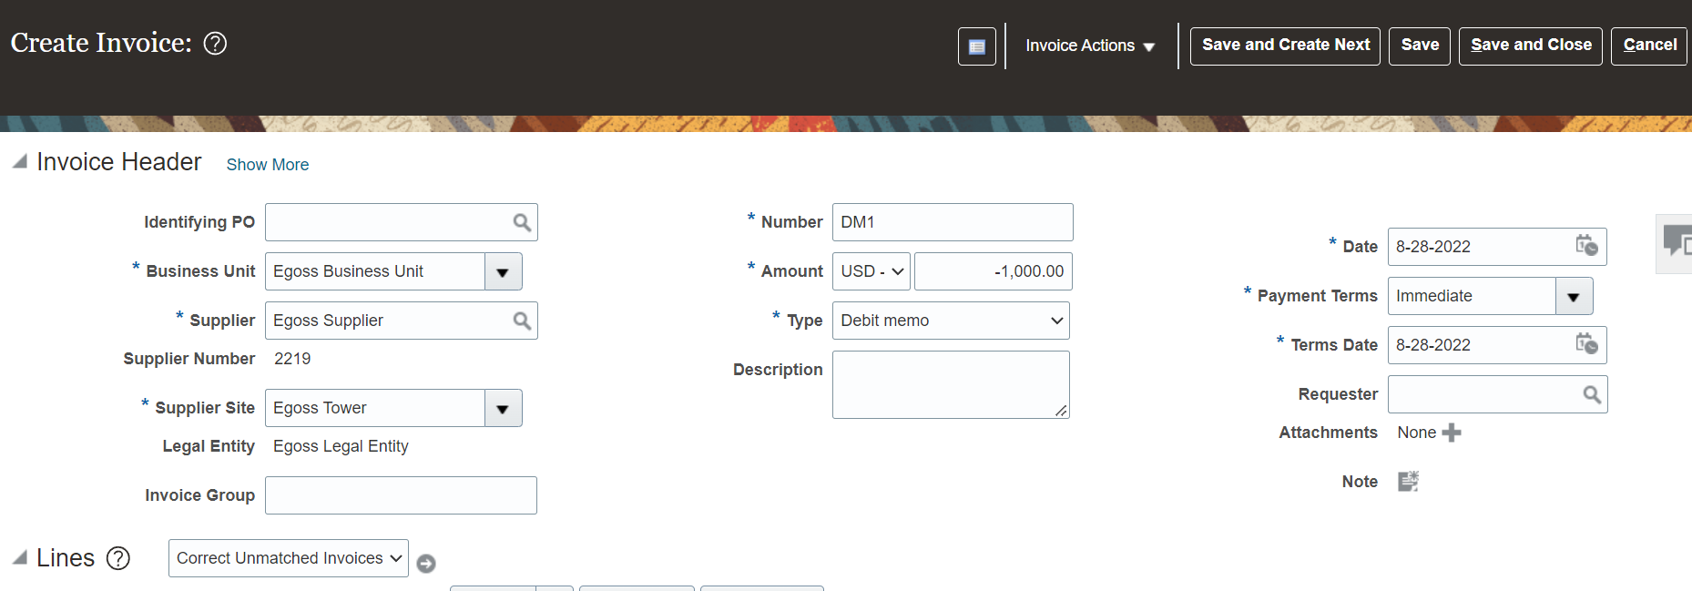
Debit Memo (DM) Invoice Creation
* Debit Memo(DM) is used to reduce the amount from Standard Invoice.
* Debit Memo is used when there are purchase returns.
Eg: we have bought 10 goods from supplier and returned so in this case we have to pay only for 8 goods.
Eg: Standard Invoice |  | 10,000
Debit Memo (Purchase Returns) |  | -2,000
Pay |  | 8,000

*It can be any reason we can use the Credit Memo but incase of Purchase Returns we have to use Debit Memo
*Only in case of Purchase Returns we have to use Debit Memo
*say for example you have purchased 10 items from the supplier and the worth of 10 items is 10,000 if you want to return 2 items then we have to make a Debit Memo (Purchase Returns)
*Debit Memo (DM) Can be created Automatically. But Whereas Credit Memo cannot be created Automatically. Credit Memo can be created only through Manual Process
*While Creating Debit Memo we have to select Unmatched Invoices in Lines level
 | While creating a payment for standard invoice we have to select the DM and CM if you are paying in manual process
 | Standard Invoice |  | 10,000
 | Less: Purchase Returns (Debit Memo) |  | -2,000 | By using the Debit memo we can reduce the invoice amount (Purchase Returns)
 |  |  | 8,000
 | While entering the amount when we are creating the Debit Memo we have to keep negative (-) symbol in the amount column.
* In the system after creating the Standard Invoice at the line level we have to select Correct Unmatached Invoices and clickon Go icon. Here search the Invoice
and check the Correct checkbox and enter the amount which has to be reduced from the standard invoice.
* Here enter Negative amount (-) like this (-1,000)
* We have to enter the amounts like this as shown in the below images.
* whatever the account is available in the standard invoice the same account will be taken by the system
* System will create another line when we create Debit Memo.
* System will pick the same account for which we have created a standard invoice since we are reducing the amount with debit memo the same account will
be used by debit memo also.
* If you are paying the Invoice amount we have to select the DM and CM along with Standard Invoice.

